Answer
Mastering Puzzles

1. Which number should replace the question mark?
a. 18 b. 38 c. 50 d. 62 e. 70
Ans. |  | b | (product of diagnal 2 substraacted from product of diagnal 1)

2. A matrix of certain characters is given. These characters follow a certain trend, row-wise or column- wise. Find out this trend and choose the missing character.
6 | 6 | 8
5 | 7 | 5
4 | 3 | ?
120 | 126 | 320
a. 8 b. 12 c. 6 d. 4
Ans. |  | a | (Product of first 3 rows is = 5th row)

3. Each of the six persons Bhanu, Gagan, Chutki, Rozi, Chuski and Smriti likes a different berry from among Blackberry, Gooseberry, Cloudberry, Raspberry, Chokeberry and Strawberry, not necessarily in the given order. Each of these berries is kept in a different box from among B1, B2, B3, B4, B5 and B6. It is also known that: (i) Chokeberry is kept in neither B3 nor B6. (ii) For no person, the initials of his/her name and the berry liked by him/her are the same. (iii) Gooseberry and Raspberry are kept in B1 and B5, in no particular order. (iv) For exactly one person, the product of the alphabetic positions, in the English alphabet, of the initials of his/her name and the berry liked by him/her is 38. (v) The product of the subscripts of the box titles for Chokeberry and Blackberry is 12. (vi) Chuski does not like berries kept in boxes B1 and B5. (vii) Cloudberry is not kept in B6. (viii) Smriti likes Chokeberry. (ix) Cloudberry is liked by neither Gagan nor Chutki
If Chokeberry is kept in B2, in which box is Strawberry kept? |  |  |  | Chokeberry is not in B3 or B6.
a. B3 |  |  |  | No person's initials and liked berry are the same.
b. B4 |  |  |  | Gooseberry and Raspberry are in B1 and B5 (order unspecified).
c. B6 |  |  |  | For one person, initials * berry = 38 (in English alphabet positions).
d. Either (a) or (b) |  |  |  | Chokeberry * Blackberry subscript = 12.
Ans. |  | D |  | Chuski dislikes B1 and B5 berries.
 |  |  |  | Cloudberry is not in B6.
If Strawberry is kept in B6, in which box is Cloudberry kept? |  |  |  | Smriti likes Chokeberry.
a. B4 |  |  |  | Cloudberry is not liked by Gagan or Chutki.
b. B5
c. B1 |  |  |  |  | Name | Berry | Box
d. B2 |  |  |  |  | Bhanu | strawberry | 4 | 3 | 6
Ans. |  | D |  |  | Gagan | Rasberry | 1 | 1 | 5
 |  |  |  |  | Chutki | gooseberry | 5 | 5 | 1
Who likes Gooseberry? |  |  |  |  | Rozi | cloudberry | 3 | 4 | 2
a. Chutki |  |  |  |  | chuski | Black berry | 6 | 6 | 3
b. Rozi |  |  |  |  | Smriti | chokeberry | 2 | 2 | 4
c. Bhanu
d. None of these
Ans. |  | A

In how many different ways can the berries be put in the six boxes?
a. 8
b. 6
c. 4
d. 12
Ans. |  | 3 | The options provided is mistaken; boxes can be put in 3 ways.

4. Six candidates – Piyush, Qureshi, Rohit, Sumit, Tanmay and Umang – were called for an interview at EMW Pvt. Ltd. for the post of Marketing Manager. Each of them has a different surname from among Firoz, Hari, Singh, Tiwari, Vyom and Wadhwah and was called on a different day of a week from Monday to Saturday. It was observed that the first letter of the name and that of the surname were not the same for any of the six candidates. It is also known that: (i) Qureshi and Sumit were called on two consecutive days, in no particular order. (ii) Mr. Wadhwah was called on the day next to the one on which Mr. Firoz was called. (iii) Exactly three candidates were called between Qureshi and Tanmay. (iv) Rohit Wadhwah was called on Friday. Piyush’s surname is Hari. (v) Mr. Vyom and Mr. Hari were called on two consecutive days, in no particular order
Which of the following is the surname of Sumit?
a. Tiwari
b. Firoz
c. Vyom
d. Cannot be determined
Ans. |  | A

Who among the following was called on Thursday?
a. Piyush
b. Umang
c. Sumit
d. Tanmay
Ans. |  | B

Mr. Vyom was called on which of the following days?
a. Sunday
b. Wednesday
c. Friday
d. Tuesday
Ans. |  | D

Who among the following was called on Monday?
a. Mr. Hari
b. Mr. Tiwari
c. Mr. Vyom
d. Cannot be determined
Ans. |  | D

5. Select the alternative which will come in place of (?) Computer : fqprxvht : : Language : ?
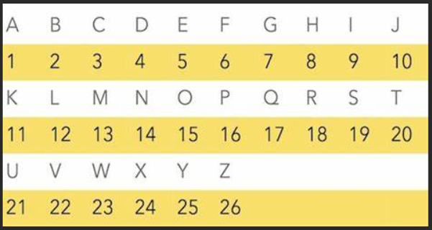 a. ocqixcjg b. ocqicyig c. oxpixdig d. ocqixcig
Ans. |  | A | The pattern of +3 & +2 conservative terms; (12,1,14,7,21,1,7,5) to (15,3,17,9,24,3,10,7)

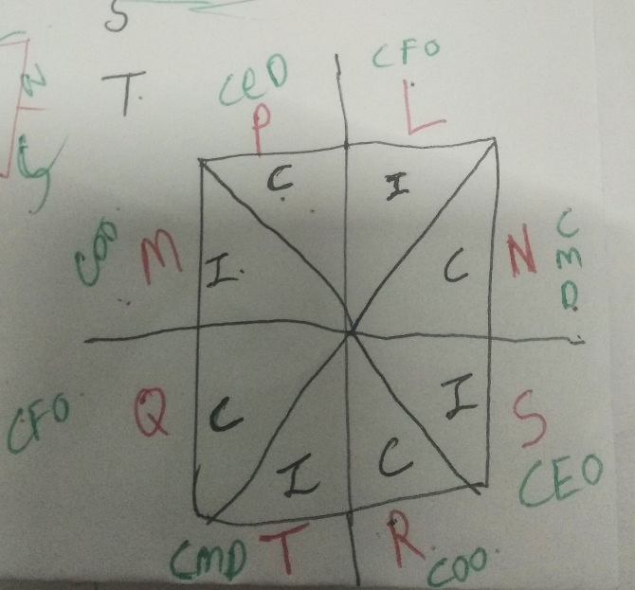
6. An Indo-China joint venture by the name of Chindia Corp Ltd has eight board members – L, M, N, P, Q, R, S and T – four each from India and China. The four members from each country hold different posts among COO, CFO, CMD and CEO, in no particular order. During a board meeting, the eight members sit at a square table such that there are two members along each side of the table. It is also known that: (i) No member has any of his fellow countrymen as neighbours. (ii) No two members
sitting along the same side of the table hold the same post in their respective countries. (iii) L, who is a CFO, and P sit along the same side of the table. (iv) The two neighbours of N are the Indian CFO and S. (v) R is a COO and exactly one person sits between him and the Chinese CMD. (vi) Q, who is a CFO, is the third person to the right of L. (vii) M, who is a COO, sits diagonally opposite S. A CMD sits to the immediate right of S.
Who is the Chinese CEO? a. P b. T c. N d. Cannot be determined
Ans. |  | A

Which two members among the given pairs cannot be neighbours? a. P and M b. M and N c. M and T d. M and Q
Ans. |  | C

If the two COOs are neighbours, which of the following is the correct combination of “name – post” of the third person to the left of T? a. P – CEO b. L – CFO c. Q – CFO d. R – COO
Ans. |  | D

If P is sitting diagonally opposite Chinese COO, who is sitting diagonally opposite Indian CMD? a. P b. L c. N d. M
Ans. |  | B

Working
Q.3
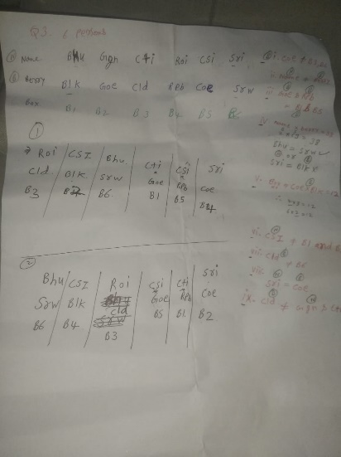
 | B1 | B2 | B3 | B4 | B5 | B6
Name |  |  |  |  |  | Sri
Berry | G/R | B | C/S | C/S | G/R | Ch

 | Name | Berry | Box |  |  |  | Condition 5 | 4*3 | correct
 | Bhanu | strawberry | 4 | 3 | 6 |  |  | 3*4 | Cancel
 | Gagan | Rasberry | 1 | 1 | 5 |  |  | 2*6 | Cancel
 | Chutki | gooseberry | 5 | 5 | 1 |  |  | 6*2 | correct
 | Rozi | cloudberry | 3 | 4 | 2
 | chuski | Black berry | 6 | 6 | 3
 | Smriti | chokeberry | 2 | 2 | 4

Q4.
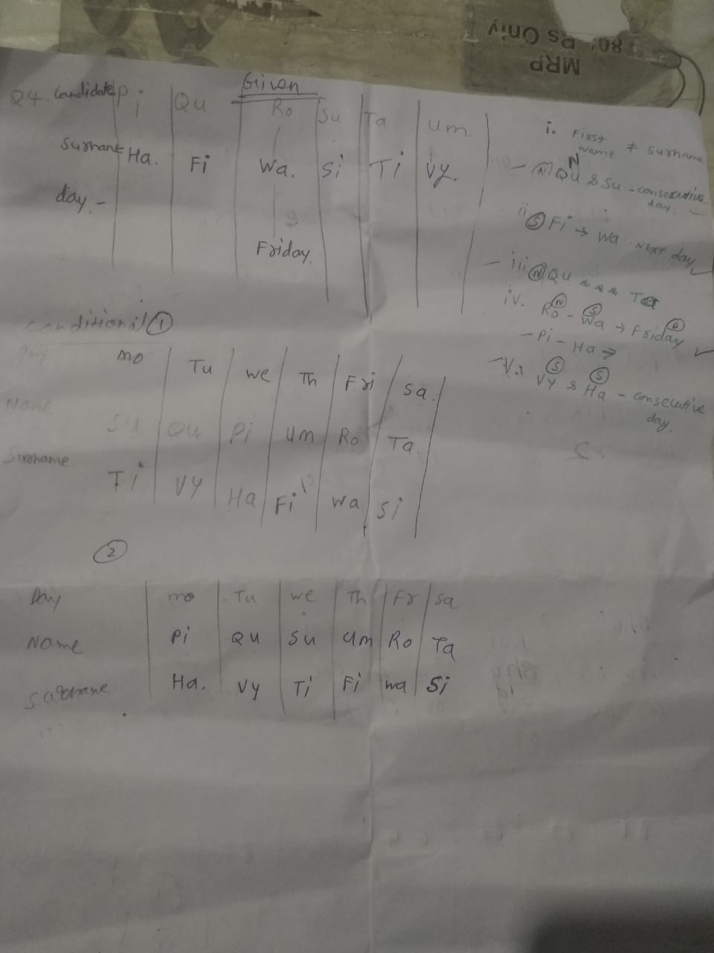

Q.5

 | The pattern of +3 & +2 conservative terms; (12,1,14,7,21,1,7,5) to (15,3,17,9,24,3,10,7)

